Agri Field Size
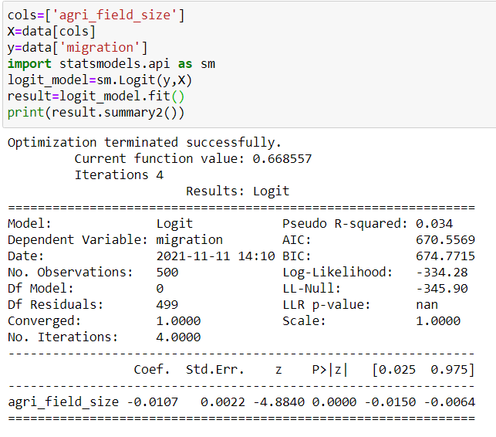
Model 1
Agri | Z | P
13 | -0.1391 | 0.46528096296
14 | -0.1498 | 0.46261987483
15 | -0.1605 | 0.45996091452
16 | -0.1712 | 0.45730423152
17 | -0.1819 | 0.45464997476
18 | -0.1926 | 0.45199829266
19 | -0.2033 | 0.44934933304
20 | -0.214 | 0.44670324311
21 | -0.2247 | 0.44406016943
22 | -0.2354 | 0.44142025789
23 | -0.2461 | 0.43878365365
24 | -0.2568 | 0.43615050114
25 | -0.2675 | 0.43352094403
26 | -0.2782 | 0.43089512517
27 | -0.2889 | 0.42827318658
28 | -0.2996 | 0.42565526942
29 | -0.3103 | 0.42304151396
30 | -0.321 | 0.42043205954
31 | -0.3317 | 0.41782704455
32 | -0.3424 | 0.41522660642
33 | -0.3531 | 0.41263088156
34 | -0.3638 | 0.41004000534
35 | -0.3745 | 0.40745411209
36 | -0.3852 | 0.40487333503
37 | -0.3959 | 0.4022978063
38 | -0.4066 | 0.39972765688
39 | -0.4173 | 0.3971630166
40 | -0.428 | 0.39460401409
41 | -0.4387 | 0.39205077679
42 | -0.4494 | 0.38950343089
43 | -0.4601 | 0.38696210135
44 | -0.4708 | 0.38442691182
45 | -0.4815 | 0.38189798469
46 | -0.4922 | 0.37937544099
47 | -0.5029 | 0.37685940045
48 | -0.5136 | 0.37434998141
49 | -0.5243 | 0.37184730085
50 | -0.535 | 0.36935147435
51 | -0.5457 | 0.36686261607
52 | -0.5564 | 0.36438083873
53 | -0.5671 | 0.36190625363
54 | -0.5778 | 0.35943897059
55 | -0.5885 | 0.35697909792
56 | -0.5992 | 0.35452674249
57 | -0.6099 | 0.35208200961
58 | -0.6206 | 0.3496450031
59 | -0.6313 | 0.34721582522
60 | -0.642 | 0.3447945767
61 | -0.6527 | 0.34238135669
62 | -0.6634 | 0.33997626279
63 | -0.6741 | 0.33757939099
64 | -0.6848 | 0.33519083571
65 | -0.6955 | 0.33281068976
66 | -0.7062 | 0.33043904432
67 | -0.7169 | 0.32807598898
68 | -0.7276 | 0.32572161169
69 | -0.7383 | 0.32337599875

Field size + Alt Occu
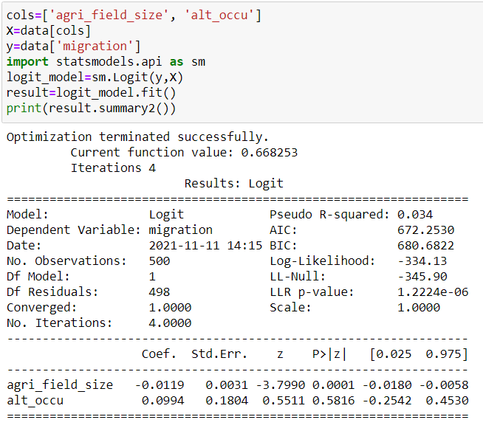
 | Alt_occu | 1
Agri | Z | P | P0 | P1
13 | -0.0553 | 0.4861785221 | 0.46140194699 | 0.4861785221
14 | -0.0672 | 0.48320631932 | 0.45844606829 | 0.48320631932
Difference between probabilities of migration w.r.t. availability of alternate occupation
15 | -0.0791 | 0.48023530425 | 0.45549311143 | 0.48023530425
16 | -0.091 | 0.47726568641 | 0.45254328083 | 0.47726568641
17 | -0.1029 | 0.4742976749 | 0.44959678006 | 0.4742976749
18 | -0.1148 | 0.47133147839 | 0.44665381175 | 0.47133147839
19 | -0.1267 | 0.46836730503 | 0.44371457752 | 0.46836730503
20 | -0.1386 | 0.46540536241 | 0.440779278 | 0.46540536241
21 | -0.1505 | 0.46244585748 | 0.43784811268 | 0.46244585748
22 | -0.1624 | 0.45948899651 | 0.43492127992 | 0.45948899651
23 | -0.1743 | 0.45653498503 | 0.4319989769 | 0.45653498503
24 | -0.1862 | 0.45358402775 | 0.42908139952 | 0.45358402775
25 | -0.1981 | 0.45063632857 | 0.42616874241 | 0.45063632857
26 | -0.21 | 0.44769209043 | 0.42326119881 | 0.44769209043
27 | -0.2219 | 0.44475151533 | 0.4203589606 | 0.44475151533
28 | -0.2338 | 0.44181480424 | 0.41746221818 | 0.44181480424
29 | -0.2457 | 0.43888215708 | 0.41457116047 | 0.43888215708
30 | -0.2576 | 0.43595377261 | 0.41168597484 | 0.43595377261
31 | -0.2695 | 0.43302984842 | 0.40880684706 | 0.43302984842
32 | -0.2814 | 0.43011058088 | 0.40593396129 | 0.43011058088
33 | -0.2933 | 0.42719616506 | 0.40306749999 | 0.42719616506
34 | -0.3052 | 0.42428679472 | 0.4002076439 | 0.42428679472
35 | -0.3171 | 0.4213826622 | 0.39735457199 | 0.4213826622
36 | -0.329 | 0.41848395844 | 0.39450846144 | 0.41848395844
37 | -0.3409 | 0.41559087288 | 0.39166948758 | 0.41559087288
38 | -0.3528 | 0.41270359346 | 0.38883782384 | 0.41270359346
39 | -0.3647 | 0.4098223065 | 0.38601364173 | 0.4098223065
40 | -0.3766 | 0.40694719675 | 0.3831971108 | 0.40694719675
41 | -0.3885 | 0.40407844726 | 0.38038839862 | 0.40407844726
42 | -0.4004 | 0.40121623938 | 0.37758767069 | 0.40121623938
43 | -0.4123 | 0.39836075274 | 0.37479509048 | 0.39836075274
44 | -0.4242 | 0.39551216512 | 0.37201081933 | 0.39551216512
45 | -0.4361 | 0.39267065253 | 0.36923501648 | 0.39267065253
46 | -0.448 | 0.38983638906 | 0.36646783897 | 0.38983638906
47 | -0.4599 | 0.38700954691 | 0.36370944168 | 0.38700954691
48 | -0.4718 | 0.38419029633 | 0.36095997725 | 0.38419029633
49 | -0.4837 | 0.38137880558 | 0.35821959608 | 0.38137880558
50 | -0.4956 | 0.37857524091 | 0.35548844629 | 0.37857524091
51 | -0.5075 | 0.3757797665 | 0.35276667372 | 0.3757797665
52 | -0.5194 | 0.37299254445 | 0.35005442186 | 0.37299254445
53 | -0.5313 | 0.37021373474 | 0.34735183188 | 0.37021373474
54 | -0.5432 | 0.3674434952 | 0.34465904256 | 0.3674434952
55 | -0.5551 | 0.36468198146 | 0.3419761903 | 0.36468198146
56 | -0.567 | 0.36192934697 | 0.3393034091 | 0.36192934697
57 | -0.5789 | 0.35918574291 | 0.33664083053 | 0.35918574291
58 | -0.5908 | 0.35645131822 | 0.33398858373 | 0.35645131822
59 | -0.6027 | 0.35372621954 | 0.33134679536 | 0.35372621954
60 | -0.6146 | 0.35101059119 | 0.32871558962 | 0.35101059119
61 | -0.6265 | 0.34830457516 | 0.32609508822 | 0.34830457516
62 | -0.6384 | 0.34560831108 | 0.3234854104 | 0.34560831108
63 | -0.6503 | 0.3429219362 | 0.32088667284 | 0.3429219362
64 | -0.6622 | 0.34024558536 | 0.31829898974 | 0.34024558536
65 | -0.6741 | 0.33757939099 | 0.31572247275 | 0.33757939099
66 | -0.686 | 0.33492348309 | 0.31315723101 | 0.33492348309
67 | -0.6979 | 0.3322779892 | 0.3106033711 | 0.3322779892
68 | -0.7098 | 0.32964303439 | 0.30806099704 | 0.32964303439
69 | -0.7217 | 0.32701874125 | 0.30553021033 | 0.32701874125

Field size + Family mem
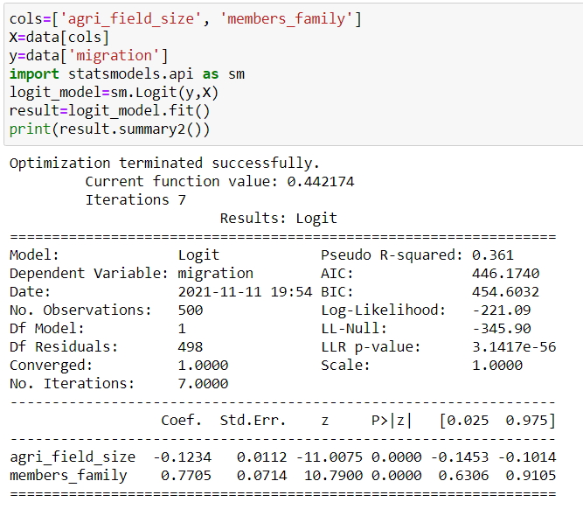
 |  |  |  |  | Family Members |  |  |  | Family Members
Agri | Z | P | No. of family members | 10 | 1 | 2 | 3 | 4 | 2 | 4 | 6 | 8 | 10
13 | 6.1008 | 0.99776393704 |  |  | 0.3028632935 | 0.48420525698 | 0.66980428426 | 0.81424005371 | 0.48420525698 | 0.81424005371 | 0.95341625804 | 0.98964421296 | 0.99776393704
14 | 5.9774 | 0.99747100225 |  |  | 0.27745919872 | 0.45348489137 | 0.64196430171 | 0.79484804344 | 0.45348489137 | 0.79484804344 | 0.94761857349 | 0.98830002944 | 0.99747100225
15 | 5.854 | 0.99713980163 |  |  | 0.25341140797 | 0.42311473887 | 0.61313278333 | 0.77399354973 | 0.42311473887 | 0.77399354973 | 0.9411438685 | 0.98678370065 | 0.99713980163
16 | 5.7306 | 0.99676536723 |  |  | 0.23078215487 | 0.3933147359 | 0.58348590672 | 0.75168140656 | 0.3933147359 | 0.75168140656 | 0.93392464982 | 0.98507382199 | 0.99676536723
17 | 5.6072 | 0.99634209468 |  |  | 0.20960632759 | 0.36428820078 | 0.55322260787 | 0.72794079276 | 0.36428820078 | 0.72794079276 | 0.92588965958 | 0.98314650344 | 0.99634209468
18 | 5.4838 | 0.99586366403 |  |  | 0.18989385871 | 0.33621666613 | 0.52255967262 | 0.70282777017 | 0.33621666613 | 0.70282777017 | 0.91696445956 | 0.98097512931 | 0.99586366403
19 | 5.3604 | 0.99532295145 |  |  | 0.17163268958 | 0.3092559711 | 0.49172575543 | 0.67642704638 | 0.3092559711 | 0.67642704638 | 0.90707226722 | 0.97853010854 | 0.99532295145
20 | 5.237 | 0.99471193085 |  |  | 0.15479206158 | 0.28353374563 | 0.46095465984 | 0.6488527153 | 0.28353374563 | 0.6488527153 | 0.89613508449 | 0.97577861946 | 0.99471193085
Difference b/w probabilities
21 | 5.1136 | 0.99402156456 |  |  | 0.13932591514 | 0.25914829724 | 0.43047829256 | 0.62024776682 | 0.25914829724 | 0.62024776682 | 0.88407515676 | 0.97268435472 | 0.99402156456
22 | 4.9902 | 0.99324168215 |  |  | 0.12517621642 | 0.23616880338 | 0.40051973827 | 0.59078222685 | 0.23616880338 | 0.59078222685 | 0.87081679214 | 0.96920727398 | 0.99324168215
23 | 4.8668 | 0.99236084651 |  |  | 0.11227607557 | 0.21463662951 | 0.37128688896 | 0.56064988596 | 0.21463662951 | 0.56064988596 | 0.8562885573 | 0.96530337466 | 0.99236084651
24 | 4.7434 | 0.99136620634 |  |  | 0.10055256392 | 0.19456753975 | 0.34296700291 | 0.53006369143 | 0.19456753975 | 0.53006369143 | 0.84042584689 | 0.96092449363 | 0.99136620634
25 | 4.62 | 0.99024333438 |  |  | 0.089929175824 | 0.17595454465 | 0.31572247275 | 0.49925000056 | 0.17595454465 | 0.49925000056 | 0.82317379596 | 0.95601815633 | 0.99024333438
26 | 4.4966 | 0.9889760507 |  |  | 0.080327913725 | 0.15877113427 | 0.28968796468 | 0.46844200555 | 0.15877113427 | 0.46844200555 | 0.80449047071 | 0.9505274937 | 0.9889760507
27 | 4.3732 | 0.98754623095 |  |  | 0.071670999539 | 0.14297466915 | 0.26496896829 | 0.43787272654 | 0.14297466915 | 0.43787272654 | 0.78435023237 | 0.94439125121 | 0.98754623095
28 | 4.2498 | 0.98593359952 |  |  | 0.063882233544 | 0.12850973884 | 0.24164168438 | 0.40776801564 | 0.12850973884 | 0.40776801564 | 0.7627471252 | 0.93754391912 | 0.98593359952
29 | 4.1264 | 0.98411550817 |  |  | 0.056888033419 | 0.11531134122 | 0.21975408842 | 0.37834001347 | 0.11531134122 | 0.37834001347 | 0.73969809639 | 0.92991601715 | 0.98411550817
30 | 4.003 | 0.9820667016 |  |  | 0.050618192336 | 0.10330777942 | 0.19932794669 | 0.34978145143 | 0.10330777942 | 0.34978145143 | 0.71524581877 | 0.92143457072 | 0.9820667016
31 | 3.8796 | 0.97975907193 |  |  | 0.045006397293 | 0.092423213528 | 0.1803615324 | 0.32226110524 | 0.092423213528 | 0.32226110524 | 0.68946086392 | 0.91202381903 | 0.97975907193
32 | 3.7562 | 0.97716140556 |  |  | 0.039990548156 | 0.08257983804 | 0.16283278693 | 0.29592059141 | 0.08257983804 | 0.29592059141 | 0.6624429706 | 0.90160619597 | 0.97716140556
33 | 3.6328 | 0.97423912717 |  |  | 0.0355129153 | 0.073699683035 | 0.14670269142 | 0.27087257572 | 0.073699683035 | 0.27087257572 | 0.6343211772 | 0.89010362381 | 0.97423912717
34 | 3.5094 | 0.97095404757 |  |  | 0.031520169946 | 0.065706056376 | 0.13191864848 | 0.24720034663 | 0.065706056376 | 0.24720034663 | 0.60525264184 | 0.87743915356 | 0.97095404757
35 | 3.386 | 0.9672641242 |  |  | 0.027963316983 | 0.058524657335 | 0.11841771634 | 0.22495861081 | 0.058524657335 | 0.22495861081 | 0.57542005767 | 0.86353897619 | 0.9672641242
Probability of Migration in case of 2,4,6,8,10 Family members
36 | 3.2626 | 0.96312324581 |  |  | 0.024797555622 | 0.052084399458 | 0.10612958192 | 0.20417529949 | 0.052084399458 | 0.20417529949 | 0.54502767989 | 0.84833481167 | 0.96312324581
37 | 3.1392 | 0.95848105628 |  |  | 0.021982088965 | 0.046317983573 | 0.094979200567 | 0.18485413772 | 0.046317983573 | 0.18485413772 | 0.51429610233 | 0.83176665994 | 0.95848105628
38 | 3.0158 | 0.95328283556 |  |  | 0.019479899626 | 0.041162261829 | 0.084889065927 | 0.16697771974 | 0.041162261829 | 0.16697771974 | 0.48345604147 | 0.81378586631 | 0.95328283556
39 | 2.8924 | 0.94746946052 |  |  | 0.017257505105 | 0.036558431408 | 0.075781101902 | 0.15051084926 | 0.036558431408 | 0.15051084926 | 0.45274148664 | 0.79435841682 | 0.94746946052
40 | 2.769 | 0.94097747215 |  |  | 0.015284703549 | 0.032452092989 | 0.067578190018 | 0.13540393487 | 0.032452092989 | 0.13540393487 | 0.42238264231 | 0.77346833581 | 0.94097747215
41 | 2.6456 | 0.93373928045 |  |  | 0.013534318044 | 0.028793204859 | 0.06020535991 | 0.12159627239 | 0.028793204859 | 0.12159627239 | 0.39259911071 | 0.75112101445 | 0.93373928045
42 | 2.5222 | 0.92568354239 |  |  | 0.011981945455 | 0.025535959065 | 0.053590679396 | 0.10901908974 | 0.025535959065 | 0.10901908974 | 0.36359373712 | 0.72734625767 | 0.92568354239
43 | 2.3988 | 0.91673575172 |  |  | 0.010605714116 | 0.022638601716 | 0.047665884614 | 0.097598272642 | 0.022638601716 | 0.097598272642 | 0.33554747038 | 0.70220080646 | 0.91673575172
44 | 2.2754 | 0.90681908171 |  |  | 0.0093860533286 | 0.020063215503 | 0.042366791358 | 0.087256726369 | 0.020063215503 | 0.087256726369 | 0.30861548794 | 0.67577007867 | 0.90681908171
45 | 2.152 | 0.89585552148 |  |  | 0.0083054765276 | 0.01777547892 | 0.037633526948 | 0.077916359397 | 0.01777547892 | 0.077916359397 | 0.28292471451 | 0.64816888184 | 0.89585552148
46 | 2.0286 | 0.8837673435 |  |  | 0.0073483791675 | 0.015744413527 | 0.033410618672 | 0.069499697573 | 0.015744413527 | 0.069499697573 | 0.25857274217 | 0.61954089093 | 0.8837673435
47 | 1.9052 | 0.87047893182 |  |  | 0.0065008517364 | 0.013942127982 | 0.029646970741 | 0.061931153662 | 0.013942127982 | 0.061931153662 | 0.23562805249 | 0.59005675406 | 0.87047893182
48 | 1.7818 | 0.85591898717 |  |  | 0.0057505078537 | 0.012343565302 | 0.026295757261 | 0.055137987051 | 0.012343565302 | 0.055137987051 | 0.21413135921 | 0.55991078726 | 0.85591898717
49 | 1.6584 | 0.84002310515 |  |  | 0.0050863270684 | 0.010926258086 | 0.023314254344 | 0.049050993478 | 0.010926258086 | 0.049050993478 | 0.19409783746 | 0.52931633606 | 0.84002310515
50 | 1.535 | 0.82273669642 |  |  | 0.0044985117439 | 0.0096700949174 | 0.020663630379 | 0.04360496601 | 0.0096700949174 | 0.04360496601 | 0.1755199838 | 0.4985000045 | 0.82273669642
51 | 1.4116 | 0.80401818299 |  |  | 0.0039783572666 | 0.0085571000771 | 0.018308709773 | 0.038738967217 | 0.0085571000771 | 0.038738967217 | 0.15837085575 | 0.46769506455 | 0.80401818299
52 | 1.2882 | 0.78384236468 |  |  | 0.0035181347235 | 0.0075712277758 | 0.016217722246 | 0.034396449497 | 0.0075712277758 | 0.034396449497 | 0.14260746399 | 0.43713444409 | 0.78384236468
53 | 1.1648 | 0.7622038055 |  |  | 0.0031109851504 | 0.0066981714691 | 0.014362046962 | 0.030525256511 | 0.0066981714691 | 0.030525256511 | 0.12817412816 | 0.40704373681 | 0.7622038055
54 | 1.0414 | 0.73912004669 |  |  | 0.0027508244426 | 0.0059251883 | 0.012715958516 | 0.027077534346 | 0.0059251883 | 0.027077534346 | 0.11500565033 | 0.37763467489 | 0.73912004669
55 | 0.918 | 0.71463441671 |  |  | 0.0024322580345 | 0.0052409383605 | 0.01125637986 | 0.024009576565 | 0.0052409383605 | 0.024009576565 | 0.10303020412 | 0.34909945612 | 0.71463441671
56 | 0.7946 | 0.68881818538 |  |  | 0.0021505044851 | 0.0046353382063 | 0.0099626457511 | 0.021281623143 | 0.0046353382063 | 0.021281623143 | 0.092171877543 | 0.32160622827 | 0.68881818538
57 | 0.6712 | 0.66177180718 |  |  | 0.0019013271494 | 0.0040994278919 | 0.0088162790676 | 0.018857629444 | 0.0040994278919 | 0.018857629444 | 0.082352841244 | 0.29529591955 | 0.66177180718
58 | 0.5478 | 0.63362502373 |  |  | 0.0016809731664 | 0.0036252506877 | 0.0078007814322 | 0.016705018086 | 0.0036252506877 | 0.016705018086 | 0.073495140659 | 0.27028048128 | 0.63362502373
59 | 0.4244 | 0.60453565034 |  |  | 0.0014861190457 | 0.0032057445907 | 0.006901438824 | 0.014794423606 | 0.0032057445907 | 0.014794423606 | 0.065522129836 | 0.24664249312 | 0.60453565034
60 | 0.301 | 0.57468695691 |  |  | 0.0013138221922 | 0.002834644717 | 0.0061051423488 | 0.013099437459 | 0.002834644717 | 0.013099437459 | 0.058359577529 | 0.22443598573 | 0.57468695691
61 | 0.1776 | 0.54428366242 |  |  | 0.0011614777609 | 0.0025063956799 | 0.0054002239295 | 0.011596358866 | 0.0025063956799 | 0.011596358866 | 0.051936483486 | 0.20368826885 | 0.54428366242
62 | 0.0542 | 0.51354668389 |  |  | 0.0010267802868 | 0.0022160730802 | 0.0047763064069 | 0.01026395544 | 0.0022160730802 | 0.01026395544 | 0.046185645906 | 0.18440251578 | 0.51354668389
63 | -0.0692 | 0.48270690032 |  |  | 0.00090768958751 | 0.0019593132785 | 0.0042241673507 | 0.0090832361988 | 0.0019593132785 | 0.0090832361988 | 0.041044020888 | 0.16656084806 | 0.48270690032
64 | -0.1926 | 0.45199829266 |  |  | 0.00080240048043 | 0.0017322506664 | 0.0037356157647 | 0.0080372386094 | 0.0017322506664 | 0.0080372386094 | 0.036452912455 | 0.15012767929 | 0.45199829266
65 | -0.316 | 0.42165088661 |  |  | 0.00070931590422 | 0.001531461707 | 0.0033033808036 | 0.0071108305122 | 0.001531461707 | 0.0071108305122 | 0.032358028135 | 0.13505310973 | 0.42165088661
66 | -0.4394 | 0.39188394653 |  |  | 0.00062702307252 | 0.001353915069 | 0.0029210115949 | 0.0062905272017 | 0.001353915069 | 0.0062905272017 | 0.028709430878 | 0.12127620412 | 0.39188394653
67 | -0.5628 | 0.3628998416 |  |  | 0.00055427232757 | 0.0011969272345 | 0.0025827872637 | 0.0055643235164 | 0.0011969272345 | 0.0055643235164 | 0.025461413607 | 0.10872802958 | 0.3628998416
68 | -0.6862 | 0.33487893461 |  |  | 0.00048995839508 | 0.0010581230127 | 0.0022836362778 | 0.0049215404832 | 0.0010581230127 | 0.0049215404832 | 0.022572318403 | 0.097334372872 | 0.33487893461
69 | -0.8096 | 0.30797573982 |  |  | 0.00043310377325 | 0.00093540044382 | 0.0020190642745 | 0.0043526858555 | 0.00093540044382 | 0.0043526858555 | 0.0200043183 | 0.087018093061 | 0.30797573982

Final Model
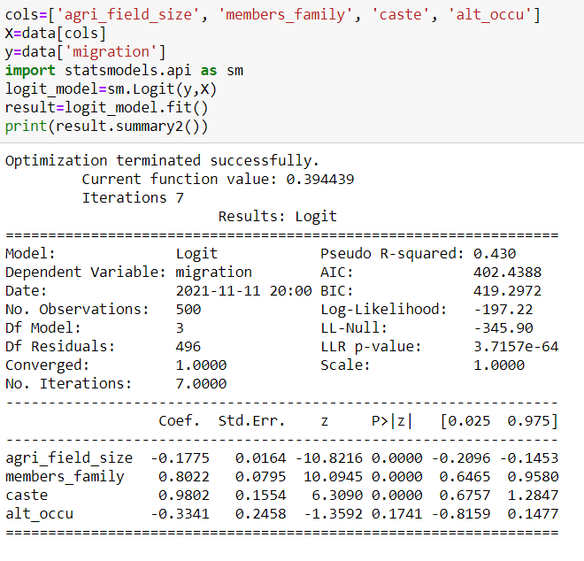
`

 | Agricultural | 20
 | Members | 4
 | Caste | 1
 | Alter Occu | 0

 | Migration Possibility | Yes
 | Probability | 65.45%
 | Z | 0.639

Rough

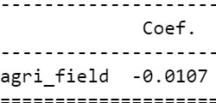
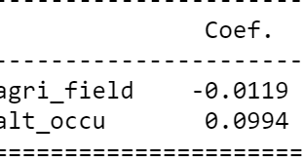
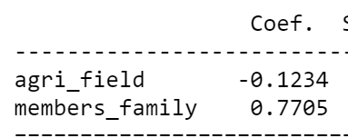
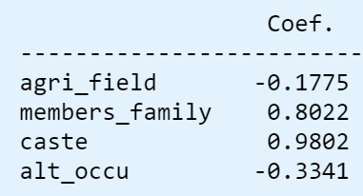

 |  |  |  |  |  | Alt Occu
 |  |  |  |  |  | 0

 |  |  | occ | 0 |  |  | 1 | 0
Model 1 |  |  | Model 2 |  |  |  |  |  | 2
Agri | Z | P | Z | P | 0 |  | Yes | No | z | p | 2 | 4 | 6 | 8 | 10
13 | -0.1391 | 0.46528096296 | -0.1547 | 0.46140194699 |  |  | 0.4861785221 | 0.46140194699 | -0.0632 | 0.48420525698 | 0.48420525698 | 0.81424005371 | 0.95341625804 | 0.98964421296 | 0.99776393704
14 | -0.1498 | 0.46261987483 | -0.1666 | 0.45844606829 |  |  | 0.48320631932 | 0.45844606829 | -0.1866 | 0.45348489137 | 0.45348489137 | 0.79484804344 | 0.94761857349 | 0.98830002944 | 0.99747100225
15 | -0.1605 | 0.45996091452 | -0.1785 | 0.45549311143 |  |  | 0.48023530425 | 0.45549311143 | -0.31 | 0.42311473887 | 0.42311473887 | 0.77399354973 | 0.9411438685 | 0.98678370065 | 0.99713980163
16 | -0.1712 | 0.45730423152 | -0.1904 | 0.45254328083 |  |  | 0.47726568641 | 0.45254328083 | -0.4334 | 0.3933147359 | 0.3933147359 | 0.75168140656 | 0.93392464982 | 0.98507382199 | 0.99676536723
17 | -0.1819 | 0.45464997476 | -0.2023 | 0.44959678006 |  |  | 0.4742976749 | 0.44959678006 | -0.5568 | 0.36428820078 | 0.36428820078 | 0.72794079276 | 0.92588965958 | 0.98314650344 | 0.99634209468 | Agriculture | 10 | z | 7.4271
18 | -0.1926 | 0.45199829266 | -0.2142 | 0.44665381175 |  |  | 0.47133147839 | 0.44665381175 | -0.6802 | 0.33621666613 | 0.33621666613 | 0.70282777017 | 0.91696445956 | 0.98097512931 | 0.99586366403 | Members | 7
19 | -0.2033 | 0.44934933304 | -0.2261 | 0.44371457752 |  |  | 0.46836730503 | 0.44371457752 | -0.8036 | 0.3092559711 | 0.3092559711 | 0.67642704638 | 0.90707226722 | 0.97853010854 | 0.99532295145 | Caste | 4
20 | -0.214 | 0.44670324311 | -0.238 | 0.440779278 |  |  | 0.46540536241 | 0.440779278 | -0.927 | 0.28353374563 | 0.28353374563 | 0.6488527153 | 0.89613508449 | 0.97577861946 | 0.99471193085 | Alt Occu | 1
21 | -0.2247 | 0.44406016943 | -0.2499 | 0.43784811268 |  |  | 0.46244585748 | 0.43784811268 | -1.0504 | 0.25914829724 | 0.25914829724 | 0.62024776682 | 0.88407515676 | 0.97268435472 | 0.99402156456
22 | -0.2354 | 0.44142025789 | -0.2618 | 0.43492127992 |  |  | 0.45948899651 | 0.43492127992 | -1.1738 | 0.23616880338 | 0.23616880338 | 0.59078222685 | 0.87081679214 | 0.96920727398 | 0.99324168215 | Probablity | 99.94%
23 | -0.2461 | 0.43878365365 | -0.2737 | 0.4319989769 |  |  | 0.45653498503 | 0.4319989769 | -1.2972 | 0.21463662951 | 0.21463662951 | 0.56064988596 | 0.8562885573 | 0.96530337466 | 0.99236084651 | Migration | Yes
24 | -0.2568 | 0.43615050114 | -0.2856 | 0.42908139952 |  |  | 0.45358402775 | 0.42908139952 | -1.4206 | 0.19456753975 | 0.19456753975 | 0.53006369143 | 0.84042584689 | 0.96092449363 | 0.99136620634
25 | -0.2675 | 0.43352094403 | -0.2975 | 0.42616874241 |  |  | 0.45063632857 | 0.42616874241 | -1.544 | 0.17595454465 | 0.17595454465 | 0.49925000056 | 0.82317379596 | 0.95601815633 | 0.99024333438
26 | -0.2782 | 0.43089512517 | -0.3094 | 0.42326119881 |  |  | 0.44769209043 | 0.42326119881 | -1.6674 | 0.15877113427 | 0.15877113427 | 0.46844200555 | 0.80449047071 | 0.9505274937 | 0.9889760507
Probability of Migration with 2,4,6,8,10 Family members
27 | -0.2889 | 0.42827318658 | -0.3213 | 0.4203589606 |  |  | 0.44475151533 | 0.4203589606 | -1.7908 | 0.14297466915 | 0.14297466915 | 0.43787272654 | 0.78435023237 | 0.94439125121 | 0.98754623095
28 | -0.2996 | 0.42565526942 | -0.3332 | 0.41746221818 |  |  | 0.44181480424 | 0.41746221818 | -1.9142 | 0.12850973884 | 0.12850973884 | 0.40776801564 | 0.7627471252 | 0.93754391912 | 0.98593359952
29 | -0.3103 | 0.42304151396 | -0.3451 | 0.41457116047 |  |  | 0.43888215708 | 0.41457116047 | -2.0376 | 0.11531134122 | 0.11531134122 | 0.37834001347 | 0.73969809639 | 0.92991601715 | 0.98411550817
30 | -0.321 | 0.42043205954 | -0.357 | 0.41168597484 |  |  | 0.43595377261 | 0.41168597484 | -2.161 | 0.10330777942 | 0.10330777942 | 0.34978145143 | 0.71524581877 | 0.92143457072 | 0.9820667016
31 | -0.3317 | 0.41782704455 | -0.3689 | 0.40880684706 |  |  | 0.43302984842 | 0.40880684706 | -2.2844 | 0.092423213528 | 0.092423213528 | 0.32226110524 | 0.68946086392 | 0.91202381903 | 0.97975907193
32 | -0.3424 | 0.41522660642 | -0.3808 | 0.40593396129 |  |  | 0.43011058088 | 0.40593396129 | -2.4078 | 0.08257983804 | 0.08257983804 | 0.29592059141 | 0.6624429706 | 0.90160619597 | 0.97716140556
33 | -0.3531 | 0.41263088156 | -0.3927 | 0.40306749999 |  |  | 0.42719616506 | 0.40306749999 | -2.5312 | 0.073699683035 | 0.073699683035 | 0.27087257572 | 0.6343211772 | 0.89010362381 | 0.97423912717
34 | -0.3638 | 0.41004000534 | -0.4046 | 0.4002076439 |  |  | 0.42428679472 | 0.4002076439 | -2.6546 | 0.065706056376 | 0.065706056376 | 0.24720034663 | 0.60525264184 | 0.87743915356 | 0.97095404757
35 | -0.3745 | 0.40745411209 | -0.4165 | 0.39735457199 |  |  | 0.4213826622 | 0.39735457199 | -2.778 | 0.058524657335 | 0.058524657335 | 0.22495861081 | 0.57542005767 | 0.86353897619 | 0.9672641242
36 | -0.3852 | 0.40487333503 | -0.4284 | 0.39450846144 |  |  | 0.41848395844 | 0.39450846144 | -2.9014 | 0.052084399458 | 0.052084399458 | 0.20417529949 | 0.54502767989 | 0.84833481167 | 0.96312324581
37 | -0.3959 | 0.4022978063 | -0.4403 | 0.39166948758 |  |  | 0.41559087288 | 0.39166948758 | -3.0248 | 0.046317983573 | 0.046317983573 | 0.18485413772 | 0.51429610233 | 0.83176665994 | 0.95848105628
38 | -0.4066 | 0.39972765688 | -0.4522 | 0.38883782384 |  |  | 0.41270359346 | 0.38883782384 | -3.1482 | 0.041162261829 | 0.041162261829 | 0.16697771974 | 0.48345604147 | 0.81378586631 | 0.95328283556
39 | -0.4173 | 0.3971630166 | -0.4641 | 0.38601364173 |  |  | 0.4098223065 | 0.38601364173 | -3.2716 | 0.036558431408 | 0.036558431408 | 0.15051084926 | 0.45274148664 | 0.79435841682 | 0.94746946052
40 | -0.428 | 0.39460401409 | -0.476 | 0.3831971108 |  |  | 0.40694719675 | 0.3831971108 | -3.395 | 0.032452092989 | 0.032452092989 | 0.13540393487 | 0.42238264231 | 0.77346833581 | 0.94097747215
41 | -0.4387 | 0.39205077679 | -0.4879 | 0.38038839862 |  |  | 0.40407844726 | 0.38038839862 | -3.5184 | 0.028793204859 | 0.028793204859 | 0.12159627239 | 0.39259911071 | 0.75112101445 | 0.93373928045
42 | -0.4494 | 0.38950343089 | -0.4998 | 0.37758767069 |  |  | 0.40121623938 | 0.37758767069 | -3.6418 | 0.025535959065 | 0.025535959065 | 0.10901908974 | 0.36359373712 | 0.72734625767 | 0.92568354239
43 | -0.4601 | 0.38696210135 | -0.5117 | 0.37479509048 |  |  | 0.39836075274 | 0.37479509048 | -3.7652 | 0.022638601716 | 0.022638601716 | 0.097598272642 | 0.33554747038 | 0.70220080646 | 0.91673575172
44 | -0.4708 | 0.38442691182 | -0.5236 | 0.37201081933 |  |  | 0.39551216512 | 0.37201081933 | -3.8886 | 0.020063215503 | 0.020063215503 | 0.087256726369 | 0.30861548794 | 0.67577007867 | 0.90681908171
45 | -0.4815 | 0.38189798469 | -0.5355 | 0.36923501648 |  |  | 0.39267065253 | 0.36923501648 | -4.012 | 0.01777547892 | 0.01777547892 | 0.077916359397 | 0.28292471451 | 0.64816888184 | 0.89585552148
46 | -0.4922 | 0.37937544099 | -0.5474 | 0.36646783897 |  |  | 0.38983638906 | 0.36646783897 | -4.1354 | 0.015744413527 | 0.015744413527 | 0.069499697573 | 0.25857274217 | 0.61954089093 | 0.8837673435
47 | -0.5029 | 0.37685940045 | -0.5593 | 0.36370944168 |  |  | 0.38700954691 | 0.36370944168 | -4.2588 | 0.013942127982 | 0.013942127982 | 0.061931153662 | 0.23562805249 | 0.59005675406 | 0.87047893182
48 | -0.5136 | 0.37434998141 | -0.5712 | 0.36095997725 |  |  | 0.38419029633 | 0.36095997725 | -4.3822 | 0.012343565302 | 0.012343565302 | 0.055137987051 | 0.21413135921 | 0.55991078726 | 0.85591898717
49 | -0.5243 | 0.37184730085 | -0.5831 | 0.35821959608 |  |  | 0.38137880558 | 0.35821959608 | -4.5056 | 0.010926258086 | 0.010926258086 | 0.049050993478 | 0.19409783746 | 0.52931633606 | 0.84002310515
50 | -0.535 | 0.36935147435 | -0.595 | 0.35548844629 |  |  | 0.37857524091 | 0.35548844629 | -4.629 | 0.0096700949174 | 0.0096700949174 | 0.04360496601 | 0.1755199838 | 0.4985000045 | 0.82273669642
51 | -0.5457 | 0.36686261607 | -0.6069 | 0.35276667372 |  |  | 0.3757797665 | 0.35276667372 | -4.7524 | 0.0085571000771 | 0.0085571000771 | 0.038738967217 | 0.15837085575 | 0.46769506455 | 0.80401818299
52 | -0.5564 | 0.36438083873 | -0.6188 | 0.35005442186 |  |  | 0.37299254445 | 0.35005442186 | -4.8758 | 0.0075712277758 | 0.0075712277758 | 0.034396449497 | 0.14260746399 | 0.43713444409 | 0.78384236468
53 | -0.5671 | 0.36190625363 | -0.6307 | 0.34735183188 |  |  | 0.37021373474 | 0.34735183188 | -4.9992 | 0.0066981714691 | 0.0066981714691 | 0.030525256511 | 0.12817412816 | 0.40704373681 | 0.7622038055
54 | -0.5778 | 0.35943897059 | -0.6426 | 0.34465904256 |  |  | 0.3674434952 | 0.34465904256 | -5.1226 | 0.0059251883 | 0.0059251883 | 0.027077534346 | 0.11500565033 | 0.37763467489 | 0.73912004669
55 | -0.5885 | 0.35697909792 | -0.6545 | 0.3419761903 |  |  | 0.36468198146 | 0.3419761903 | -5.246 | 0.0052409383605 | 0.0052409383605 | 0.024009576565 | 0.10303020412 | 0.34909945612 | 0.71463441671
56 | -0.5992 | 0.35452674249 | -0.6664 | 0.3393034091 |  |  | 0.36192934697 | 0.3393034091 | -5.3694 | 0.0046353382063 | 0.0046353382063 | 0.021281623143 | 0.092171877543 | 0.32160622827 | 0.68881818538
57 | -0.6099 | 0.35208200961 | -0.6783 | 0.33664083053 |  |  | 0.35918574291 | 0.33664083053 | -5.4928 | 0.0040994278919 | 0.0040994278919 | 0.018857629444 | 0.082352841244 | 0.29529591955 | 0.66177180718
58 | -0.6206 | 0.3496450031 | -0.6902 | 0.33398858373 |  |  | 0.35645131822 | 0.33398858373 | -5.6162 | 0.0036252506877 | 0.0036252506877 | 0.016705018086 | 0.073495140659 | 0.27028048128 | 0.63362502373
59 | -0.6313 | 0.34721582522 | -0.7021 | 0.33134679536 |  |  | 0.35372621954 | 0.33134679536 | -5.7396 | 0.0032057445907 | 0.0032057445907 | 0.014794423606 | 0.065522129836 | 0.24664249312 | 0.60453565034
60 | -0.642 | 0.3447945767 | -0.714 | 0.32871558962 |  |  | 0.35101059119 | 0.32871558962 | -5.863 | 0.002834644717 | 0.002834644717 | 0.013099437459 | 0.058359577529 | 0.22443598573 | 0.57468695691
61 | -0.6527 | 0.34238135669 | -0.7259 | 0.32609508822 |  |  | 0.34830457516 | 0.32609508822 | -5.9864 | 0.0025063956799 | 0.0025063956799 | 0.011596358866 | 0.051936483486 | 0.20368826885 | 0.54428366242
62 | -0.6634 | 0.33997626279 | -0.7378 | 0.3234854104 |  |  | 0.34560831108 | 0.3234854104 | -6.1098 | 0.0022160730802 | 0.0022160730802 | 0.01026395544 | 0.046185645906 | 0.18440251578 | 0.51354668389
63 | -0.6741 | 0.33757939099 | -0.7497 | 0.32088667284 |  |  | 0.3429219362 | 0.32088667284 | -6.2332 | 0.0019593132785 | 0.0019593132785 | 0.0090832361988 | 0.041044020888 | 0.16656084806 | 0.48270690032
64 | -0.6848 | 0.33519083571 | -0.7616 | 0.31829898974 |  |  | 0.34024558536 | 0.31829898974 | -6.3566 | 0.0017322506664 | 0.0017322506664 | 0.0080372386094 | 0.036452912455 | 0.15012767929 | 0.45199829266
65 | -0.6955 | 0.33281068976 | -0.7735 | 0.31572247275 |  |  | 0.33757939099 | 0.31572247275 | -6.48 | 0.001531461707 | 0.001531461707 | 0.0071108305122 | 0.032358028135 | 0.13505310973 | 0.42165088661
66 | -0.7062 | 0.33043904432 | -0.7854 | 0.31315723101 |  |  | 0.33492348309 | 0.31315723101 | -6.6034 | 0.001353915069 | 0.001353915069 | 0.0062905272017 | 0.028709430878 | 0.12127620412 | 0.39188394653
67 | -0.7169 | 0.32807598898 | -0.7973 | 0.3106033711 |  |  | 0.3322779892 | 0.3106033711 | -6.7268 | 0.0011969272345 | 0.0011969272345 | 0.0055643235164 | 0.025461413607 | 0.10872802958 | 0.3628998416
68 | -0.7276 | 0.32572161169 | -0.8092 | 0.30806099704 |  |  | 0.32964303439 | 0.30806099704 | -6.8502 | 0.0010581230127 | 0.0010581230127 | 0.0049215404832 | 0.022572318403 | 0.097334372872 | 0.33487893461
69 | -0.7383 | 0.32337599875 | -0.8211 | 0.30553021033 |  |  | 0.32701874125 | 0.30553021033 | -6.9736 | 0.00093540044382 | 0.00093540044382 | 0.0043526858555 | 0.0200043183 | 0.087018093061 | 0.30797573982

